Sheet 1
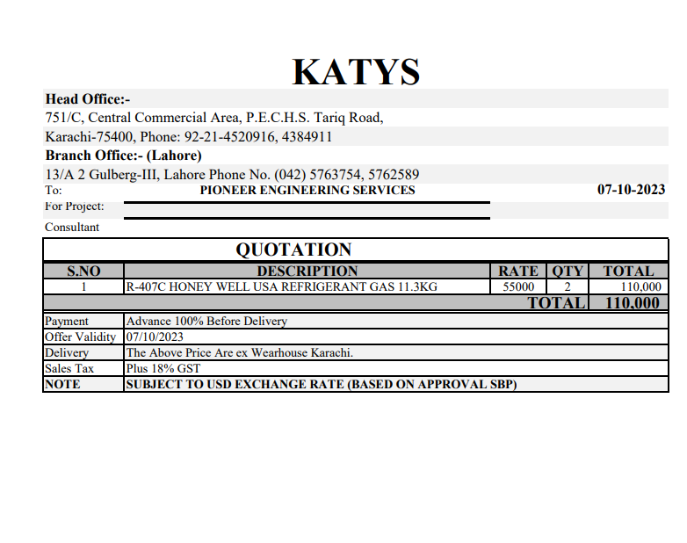
Dated: | 14-Oct-23
Project: | TRI-FIT COM-1
Contractor: M/s Pioneer Engineering Services | National Engineering Services

Rate Analysis for Charging of Refrigerant Gas in Ac unit
S. # | Description | Unit | Quantity |  |  | Rate | Amount | Gross
 |  |  | Actual | Waste | Total
A MATERIAL.
 | Honeywell USA Refrigerant Gas 11.5 kg |  | 2 |  | 2 |  | 55,000
 | Total. |  |  |  |  |  | 110,000
B LABOUR.
S. # | Description | Unit | Quantity |  |  | Rate | Amount | Gross
 |  |  | Actual | Waste | Total
4 | Charging of Gas | Units | 43.00 |  | 43.00 | 850 | 36,550
 | Total. |  |  |  |  |  | 36,550 | 146,550
C OTHER
S. # | Description | Unit | Quantity |  |  | Rate | Amount | Gross
 |  |  | Actual | Waste | Total

 | Total. |  |  |  |  |  |  | 146,550
 | Total Rs. |  |  |  |  |  |  | 146,550
Sub-Contractor Margin: |  |  | 10% |  |  |  |  | 14,655
Total Price |  |  |  |  |  |  |  | 161,205

